Air Purifier Worksheet
 | Air Purifier Worksheet
*Enter values next to blue text.
Room #1 |  |  |  | Room #2 |  |  |  | Notes
*Select Room Type |  |  |  | *Select Room Type |  |  |  | If your ACH is GREATER than the recommended ACH your device is sufficient for that room.
CDC Recommended ACH Rate | FALSE |  |  | CDC Recommended ACH Rate | FALSE
 | Length | Width | Height |  | Length | Width | Height
*Enter Room Dimensions |  |  |  | *Enter Room Dimensions |  |  |  | If your ACH is LOWER than the recommended ACH your device is NOT sufficient for that room.
Total Air Volume in Room | 0 |  |  | Total Air Volume in Room | 0
*Enter Your Device CFM |  |  |  | *Enter Your Device CFM
Total ACH for this Room | #DIV/0! |  |  | Total ACH for this Room | #DIV/0! |  |  | Place air purifier in area where supply vent air flow will not disrupt purifier air flow.

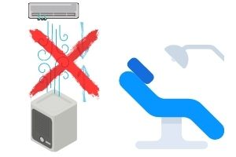
Room #3 |  |  |  | Room #4
*Select Room Type |  |  |  | *Select Room Type
CDC Recommended ACH Rate | FALSE |  |  | CDC Recommended ACH Rate | FALSE
 | Length | Width | Height |  | Length | Width | Height
*Enter Room Dimensions |  |  |  | *Enter Room Dimensions
Total Air Volume in Room | 0 |  |  | Total Air Volume in Room | 0
*Enter Your Device CFM |  |  |  | *Enter Your Device CFM
Total ACH for this Room | #DIV/0! |  |  | Total ACH for this Room | #DIV/0!

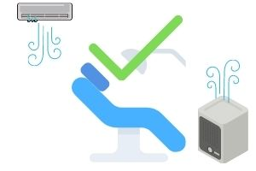
Room #5 |  |  |  | Room #6
*Select Room Type |  |  |  | *Select Room Type
CDC Recommended ACH Rate | FALSE |  |  | CDC Recommended ACH Rate | FALSE
 | Length | Width | Height |  | Length | Width | Height
*Enter Room Dimensions |  |  |  | *Enter Room Dimensions
Total Air Volume in Room | 0 |  |  | Total Air Volume in Room | 0
*Enter Your Device CFM |  |  |  | *Enter Your Device CFM
Total ACH for this Room | #DIV/0! |  |  | Total ACH for this Room | #DIV/0!

